Introduction
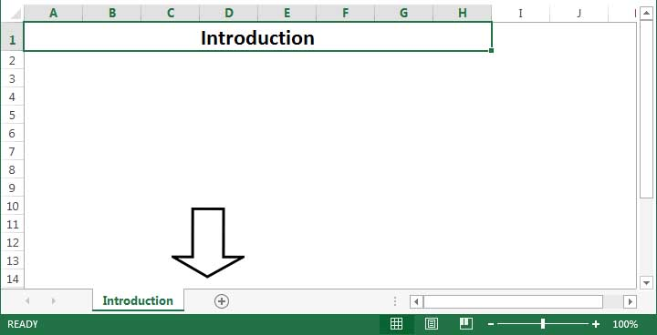
Introduction

This document will assist you in developing a marketing budget for your online marketing.

Please read all fields carefully and answer the values to the best of your knowledge.

We have included some sample information to help guide you through the process.

To start, select a tab from the bottom of your screen.

